Trang tính1
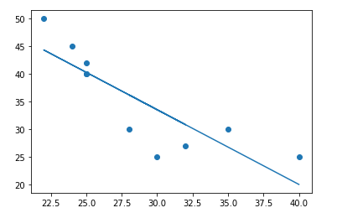
Wheat production | 30 | 28 | 32 | 25 | 25 | 25 | 22 | 24 | 35 | 40
Flour price | 25 | 30 | 27 | 40 | 42 | 40 | 50 | 45 | 30 | 25
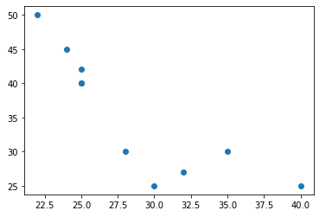

Link code hình vẽ: | https://colab.research.google.com/drive/15qIGam_leb3sMCmkYu0R6TgpWxP46WDS#scrollTo=Mm-VIlW2WHnB

